🔗 Useful Links
🛒 | ✉️ | 🔎 | 🖤 |  | 🕵️
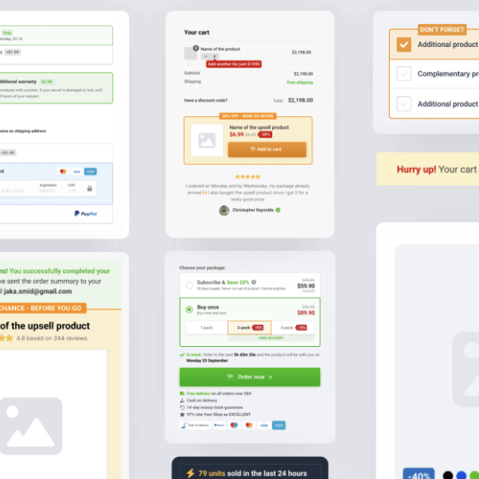 | 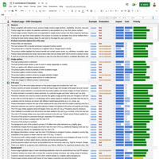 |  |  | 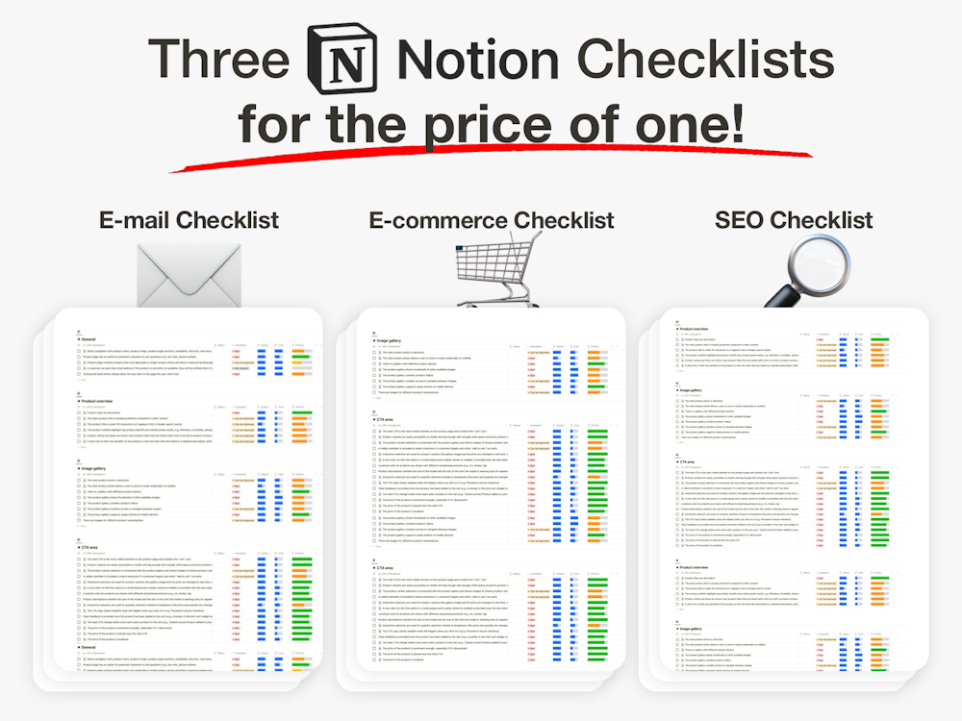 | 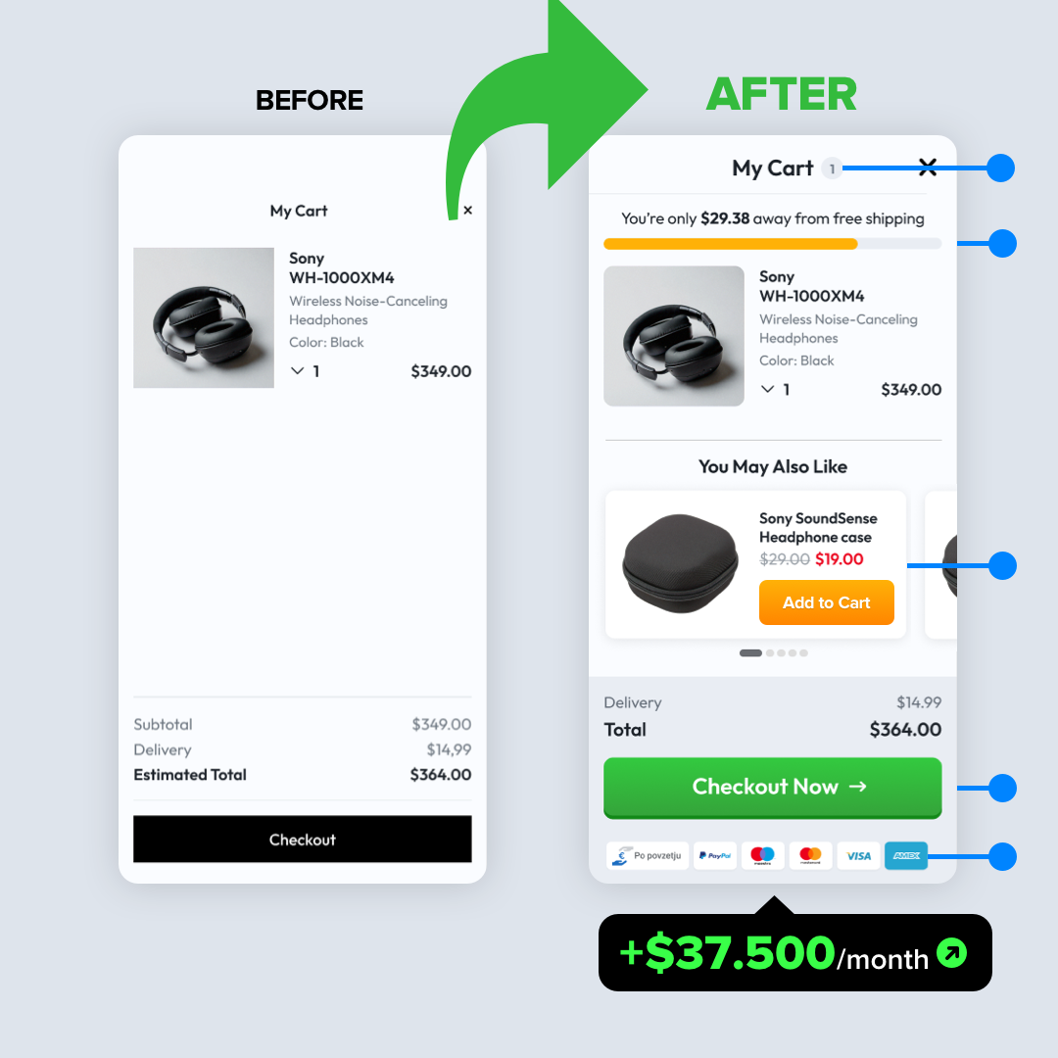

E-commerce UI Template | The Ultimate Email Checklist | The Ultimate SEO Checklist | Black Friday 2024 Checklist | Notion Bundle (3 for 1) | Conversion Audit
$147 | $67 | $67 | $67 | $67-$147 | $1490-$2490
VIP Coupon code: fj1o3l | VIP Coupon code: f2321 | VIP Coupon code: v0j9ff | VIP Coupon code: podk24
👉 Get it now | 👉 Get it now | 👉 Get it now | 👉 Get it now | 👉 Get it now | 👉 Get it now

